1. General specifications
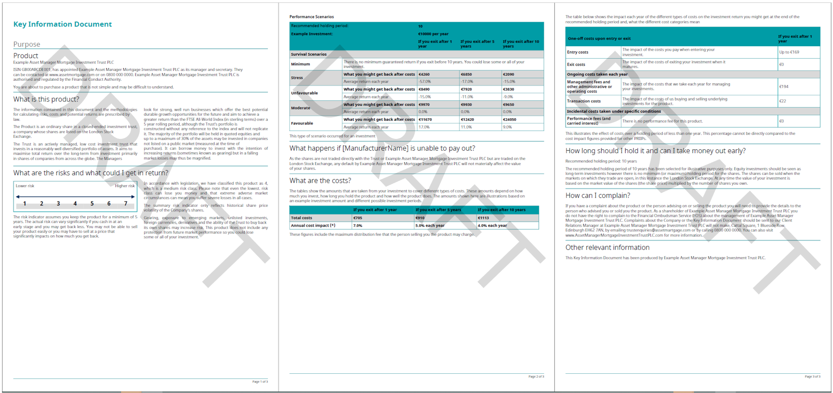
 |  |  |  |  |  |  | generic KID example - for illustration only
Client Name: | BLI |  |  |  | Additional elements to be provided to FE fundinfo (where relevant): Logo(s) (header/footer) in eps, ai, svg format Font (in the following versions: bold, italic, bold/italic – must be UTF-8 compliant) KID mock-up If available, design guidelines of the company
Fund Name: | SICAV BLB
Template Name*:
Theme Name*:

* To be completed by FE Fundinfo if new template
Category | Information | Preferred format / Specific need | Client input | pF input | Technical fields (if relevant) | Comments
Protection | Password KID protection | Y, N | N | N |  | If "Y" and no password provided by you, our system will generate a random one (containing 40 random characters)
Document layout | Top up margin | mm, cm | 1.4 | 1,30 cm
Document layout | Top down margin | mm, cm | 1 | 1,00 cm
Document layout | Left margin | mm, cm | 1.4 | 0,80 cm
Document layout | Right margin | mm, cm | 1.4 | 0,80 cm
Document layout | multiple columns of text | Y, N | Y En quoi consiste ce produit? Quels sont les risques et qu’est-ce que cela pourrait me rapporter? | Y | What is this product / What are the risks / performance (below table) | If "Y" please provide the list of the sections that should be displayed on 2 columns.
Document layout | Text column display | fixed, floating or balancing | balancing | balancing |  | fixed: text will remain in the predefined column, no matter if the text is too long. floating: the overflow text from column B will go on column A. balancing: the columns are as balanced as possible
Document layout | Gutter between columns | mm, cm | 0.7 | 0,50 cm
Document layout | Bullet style | symbol, font color, font size and indentation | Arial 8 black font white white font gold space between 2 characters :100 space under line 1,24 | style "-", rgb 35-31-32, minimum indent (space between 2 charatere)
Document layout | Page Overflow | floating OR fixed | floating | floating |  | floating: the overflow text from page 1 will go to page 2 fixed: the overflow text from page 1 will stay in page 1, no matter if the text is too long for the page
Logo | Header logo object | eps, svg | annexed | N/A
Logo | Header logo width | mm, cm | 1,2 cm | N/A
Logo | Header logo height | mm, cm | 5,8 cm | N/A
Logo | Header logo position | Top left, top right, centered,… | Top left | N/A
Logo | Logo on first page only | Y, N | Y | N/A
Logo | margin for each side of the logo (top, right, bottom, and left). | mm, cm | bottom 0,5 cm | N/A
Logo | Other logo (e.g. Footer,…) | Y, N | N | N/A |  | If "Y" please provide all information above for logo
Decorative line | Line color | RGB, HEX (0-0-0) | Gold (red:194; green: 165; blue:127) | rgb 0-156-166
Decorative line | Line width | pts | 0,1 cm | 0,1 cm
Decorative line | Line position | Top, bottom or between elements | top | top | section title | Define the position of each line in the document
Decorative line | Line margins | mm, cm | 0,80 cm | 0,80 cm |  | Space between lines and elements (top, left, right and bottom)
Decorative line | Line style | Solid, dotted, gradient… | Solid | Solid
Decorative background | Background type | Fixed OR floating | floating | N/A |  | fixed: provide height and width, the banner is fixed, no matter if the text is too long for the banner. floating: the width is defined by the document margins OR the size of the section, the height is adjusted depending the content.
Decorative background | Background width | mm, cm | depending on the text | N/A
Decorative background | Background height | mm, cm | depending on the text | N/A
Decorative background | Background color | RGB, HEX (0-0-0) | Gold (red:194; green: 165; blue:127) Grey (red:166; green: 166; blue:166) | N/A
Decorative background | Background external margins (top, bottom, left and right) | mm, cm | 1.4 | N/A
Decorative background | Fields in background* | publiFund technical fields to be include in the background | N/A | N/A
Decorative background | Background internal margins (top, bottom, left and right) | mm, cm | N/A | N/A
Decorative background | Other background | Y, N | N/A | N/A |  | Please provide all information for each background

HEADER | Distance between header | mm, cm | space between paragraph | space between paragraph
Page numbering | Are the pages numbered? | Y,N | Y | Y
Page numbering | Page number position if applicable | bottom/top - left/center/right | bottom right | Bottom - right

Section title | Space before section title | mm, cm | 0,30 cm | 0,30 cm
Section title | Space after section title | mm, cm | 0,30 cm | 0,30 cm
Body text | Space between paragraphs | millimetres baseline to baseline + leading | 0,25 cm | 0,25 cm
Body text | Space between lines (leading) | % | line spacing single | line spacing single

SRI | Rectangles width | mm, cm | 1.3 | 1,28 cm
SRI | Rectangles height | mm, cm | 1.1 | 0,80 cm
SRI | Font size - default SRI | pts | 16 | 12 pts
SRI | Font size - Current SRI | pts | 16 | 12 pts
SRI | Font color – default | RGB | Grey (red:166; green: 166; blue:166) | rgb 0-0-0
SRI | Font color – current | RGB | Black | rgb 0-0-0
SRI | Table border color | RGB | no border
SRI | Table background color – default SRI | RGB | N/A | 1/2 rgb 255-255-255 and 1/2 rgb 221-221-211
SRI | Table background color – current SRI | RGB | N/A | rgb 0-156-166
SRI Legend | Arrow color | RGB | Gold (red:194; green: 165; blue:127) | rgb 0-42-94
SRI Legend | Arrow position | top, bottom | bottom | top
SRI warning | Warning to be displayed? | Y, N | Y | N
SRI warning | Triangle color | RGB, HEX (0-0-0) | Yellow | N/A
SRI warning | Exclamation mark - size | pts | 1.5 | N/A
SRI warning | Exclamation mark - color | RGB, HEX (0-0-0) | white | N/A
SRI warning | Triangle + Exlamation mark inside | to be provide in eps, ai, svg | attached | N/A
SRI section | Other information |  | N/A | N/A

Peformance scenario table | Decimal separator | . Or , | , | .
Peformance scenario table | Thousand separator | , Or space | space | N/A
Peformance scenario table | Decimal place | 1 | 2
Peformance scenario table | Enable page continuation | Y, N | Y | Y
Peformance scenario table | Currency format | symbol after value / symbol before value/ acronym after value / acronym before value | acronym after value | symbol before value
Peformance scenario table | border line - color | RGB, HEX (0-0-0) | Black | rgb 0-156-166
Peformance scenario table | border line - width | pts | 0,02 cm | 0,02 cm

Cost overtime - table | Decimal separator | . Or , | , | .
Cost overtime - table | Thousand separator | , Or space | space | N/A
Cost overtime - table | Enable page continuation | Y, N | Y | Y
Cost overtime - table | Currency format | symbol after value / symbol before value/ acronym after value / acronym before value | acronym after value | symbole before value
Cost overtime - table | border line - color | RGB, HEX (0-0-0) | Black | rgb 0-156-166
Cost overtime - table | border line - width | pts | 0,02 cm | 0,02 cm

Breakdown of the cost | Decimal separator | . Or , | , | .
Breakdown of the cost | Thousand separator | , Or space | space | N/A
Breakdown of the cost | Currency format | symbol after value / symbol before value/ acronym after value / acronym before value | acronym after value | symbole before value
Breakdown of the cost | border line - color | RGB, HEX (0-0-0) | Black | rgb 0-156-166
Breakdown of the cost | border line - width | pts | 0,02 cm | 0,02 cm

